1. Title Page
Grocery Basket Analysis

Project Name: Instacart Grocery Basket Analysis
Date: Jan 29 2024
Analyst Name: Seema Mujib

Contents:

Population Flow
Consistency checks
Wrangling steps
Column derivations
Visualizations
Recommendations

2. Population Flow
 |  | Title Page

Population flow
Orders_products_combined
Orders_products_merged
Orders_products_all
Total: 32640698
Total: 32641279
Total: 32641268
Outer join with order_id as the common key
Outer join with product_id as the common key
Inner join with user_id as the common key

Exclusion flag
Condition: max_order <
Obervations to be removed:
Final total count of order_products_all:

 | Outer join with product_id as the common key
 | Outer join with product_id as the common key

Outer join with order_id as the common key

1.) The grey boxes in the first row of the population flow represent the original data sets as they were when you downloaded them. In the Total fields you need to add the count of the rows when you imported the data set into Jupyter.
2.) The second row of boxes (coloured) represents the data sets after you manipulated them, e.g., removed missing values and duplicates. In the Total fields you need to add the count of the rows after conducting these operations. This offers a visual oveview of how the data flows throughout the data consistency checks.
3.) The third row, where also the arrows are coloured, represents the merges you performed between the datasets. In the Total fields you need to add the count of the rows in the merged datasets, so that you end up with the final dataset (in the red box). Keep in mind the final dataset should be without exclusions (based on the exclusion flag).

3. Consistency checks
 |  |  |  | Title Page | Title page
Consistency checks

Dataset | Missing values | Missing values treatment | Duplicates
orders | days_since_prior_order column has 206209 missing values | 1. Extracted all the missing value observations to a new dataframe 'dataframe df_ords_missing_values' 2. The dataframe df_ords_missing_values has null values in all the observations with order_number=1 for every user. This could be the first order of every user and it's logical not to have any value in days_since_prior_order column. Also, there are 206209 users, which means every user will have one NaN value for his/her first order. Considering all these factors it has been decided to leave the missing data untouched. | No duplicates found.
products | 16 values are missing from product_names column | Moved all observations without missing values to df_prods_clean dataframe | 5 duplicate observations found and removed from 'df_prods_clean' dataframe.
orders_products_prior
customers | 11259 values missing from first_name column | No action since missing first_name will not have any affect on the analysis | No duplicates found.

4. Wrangling steps
 |  |  |  | Title page
Wrangling steps

Columns dropped | Columns renamed | Columns' type changed | Comment/Reason
df_ordrs.eval_set |  |  | This column contains system information that acts as a label for the entire data set. It has one value—prior—which indicates that this was the prior data set released by Instacart. Not relevant for the analysis.
 | df_ordrs.order_dow |  | Renamed to 'orders_day_of_week'
 |  | df_ordrs['order_id'] | integer to string
 |  | df_ordrs['user_id'] | integer to string
 | 'First Name':'first_name','Surnam':'surname','Gender':'gender','STATE':'state','Age':'age','n_dependants':'no_of_dependants','fam_status':'family_status' | df_customer['date_joined'] | The date field was 'object' data type. Changed it to datetime data type. Also, the date format changed from yyyy-mm-dd to mm-dd-yyyy format
 |  | df_customer['user_id'] | in order to merge customer dataframe with ords_prod_merge, converting user_id with object data type to float64 in df_customer dataframe.

5. Column derivations
 |  |  |  | Title page

Column derivations and aggregations

Dataset | New column | Column/s it was derived from | Conditions
orders_products_combined.pkl | _merge | Flag column | df_merged_large=df_ords.merge(df_ords_prior, on='order_id', how='outer',indicator=True)
 |  |  | df_ords_prods_merge=df_orders_products_combined.merge(df_prods,on=['product_id'], how='outer',indicator='merge_flag')
ords_prods_merge.pkl | merge_flag | Flag column
ords_prods_merge.pkl | Busiest days | busiest_day | the two busiest days of the week as opposed to the single busiest day.
ords_prods_merge.pkl | busiest_period_of_day | order_hour_of_day column | period_of_time' list created with the followig conditions:- Based on the descriptive statistics of order_hour_of_day column values more than 75% is considered 'Most orders' values less than 25% is considered 'Fewest orders' the rest of the orders between 25% and 75% are considered 'Average orders'
ords_prods_merge.pkl | max_order | newly created to assign maximum order for each user | ords_prods_merge['max_order']=ords_prods_merge.groupby('user_id')['order_number'].transform(np.max)
ords_prods_merge.pkl | loyalty_flag | max_order | Loyal customers are those with max_order more than around 70th percentile and New customers are the ones with max_order less than 20th percentile. All in between values are considered Regular customers. loyalty flag assigns a loyalty label to a user ID based on its corresponding max order value ords_prods_merge.loc[ords_prods_merge['max_order']>40,'loyalty_flag']='Loyal customer' ords_prods_merge.loc[(ords_prods_merge['max_order']<=40) & (ords_prods_merge['max_order']>10),'loyalty_flag']='Regular customer' ords_prods_merge.loc[ords_prods_merge['max_order']<=10,'loyalty_flag']='New customer'
ords_prods_merge.pkl | average spent | newly created to assign the average price for all the orders placed by each user | ords_prods_merge['average spent']=ords_prods_merge.groupby(['user_id'])['prices'].transform(np.mean)
ords_prods_merge.pkl | spending flag | average_spent | 25th percentile of average_spent is 7. Rounded this to below 10 to mark the low spender. spending flag assigns a spending label to each user based on aggregation ords_prods_merge.loc[ords_prods_merge['average spent']>=10,'spending flag']='High spender' ords_prods_merge.loc[ords_prods_merge['average spent']<10,'spending flag']='Low spender'
ords_prods_merge.pkl | regularity | newly created to assign median of 'days_since_prior_order' for each user | ords_prods_merge['regularity']=ords_prods_merge.groupby(['user_id'])['days_since_prior_order'].transform(np.median)
ords_prods_merge.pkl | order frequency flag | regularity | based on the 'regularity' value (derived from median of days_since_prior_order )the new column 'order frequency flag' gets appropriate label ords_prods_merge.loc[ords_prods_merge['regularity']>20,'order frequency flag']='Non-frequent customer' ords_prods_merge.loc[(ords_prods_merge['regularity']>10) & (ords_prods_merge['regularity']<=20),'order frequency flag']='Regular customer' ords_prods_merge.loc[ords_prods_merge['regularity']<=10,'order frequency flag']='Frequent customer'
final.pkl | department | departments_wrangled.csv | department_id being the common column, the data type was changed to float to match the data file to be merged with. The column department was merged to the main dataset. This was done to depict department names in the visualizations whch makes it more meaningful.
profilingdata.pkl | region | state column | Norteast region includes the below states: Maine,New Hampshire,Vermont,Massachusetts,Rhode Island,Connecticut,New York,Pennsylvania,New Jersey Midwest region has the following states: Wisconsin,Michigan,Illinois,Indiana,Ohio,North Dakota,South Dakota,Nebraska,Kansas,Minnesota,Iowa,Missouri South includes: Delaware,Maryland,District of Columbia,Virginia,West Virginia,North Carolina,South Carolina,Georgia,Florida,Kentucky,Tennessee,Mississippi,Alabama,Oklahoma,Texas,Arkansa,Louisiana West includes: Idaho,Montana,Wyoming,Nevada,Utah,Colorado,Arizona,New Mexico,Alaska,Washington,Oregon,California,Hawaii
profilingdata.pkl | exclusion_flag | created based on max_order by each customer | If max_order >= 5 then exclusion_flag="Keep >=5 orders" else if max_order < 5 then exclusion_flag="Exclude <5 orders"
profilingdata.pkl | age_flag | created based on age of each customer | The age of customers are 33 at 25th percentile, 49 at 50th percentile and 65 at 75th percentile. Based on this distribution, age_flag catagories have been decided. If age < 33 then age_flag="Young Adult" else if age between 33 and 65 then age_flag="Middle aged" else if age >65 then age_flag="Senior citizen"
profilingdata.pkl | income_flag | created based on income of each customer | The income of customers are 67157 at 25th percentile, 96700 at 50th percentile and 127988 at 75th percentile. Based on this distribution, income_flag catagories have been decided. if income <67157 then income_flag="Low income" else if income between 67157 and 96700 then income_flag="Medium income" else if income between 96700 and 127988 then income_flag="High income" else if income above 127988 then income_flag="Very high income"
profilingdata.pkl | dependants_flag | created based on no. of dependants for each customer | if no. of dependants is 0 then dependants_flag="No dependants" else if no. of dependants is > 0 then dependants_flag="Have dependants"
profilingdata.pkl | customer_profile | created based on customer characterestics such as age, income and dependants | if 'age_flag' is 'Young adult' & 'income_flag' is 'Low income' & 'dependants_flag is 'No dependants' then 'customer_profile'="Young adult-Low income-No dependants" if 'age_flag' is 'Young adult' & 'income_flag' is 'Medium income' & 'dependants_flag is 'No dependants' then 'customer_profile'="Young adult-Medium income-No dependants" if 'age_flag' is 'Young adult' & 'income_flag' is 'High income' & 'dependants_flag is 'No dependants' then 'customer_profile'="Young adult-High income-No dependants" if 'age_flag' is 'Young adult' & 'income_flag' is 'Very income' & 'dependants_flag is 'No dependants' then 'customer_profile'="Young adult-Very high income-No dependants"
 |  |  | if 'age_flag' is 'Middle aged' & 'income_flag' is 'Low income' & 'dependants_flag is 'No dependants' then 'customer_profile'="Middle aged-Low income-No dependants" if 'age_flag' is 'Middle aged' & 'income_flag' is 'Medium income' & 'dependants_flag is 'No dependants' then 'customer_profile'="Middle aged-Medium income-No dependants" if 'age_flag' is 'Middle aged' & 'income_flag' is 'High income' & 'dependants_flag is 'No dependants' then 'customer_profile'="Middle aged-High income-No dependants" if 'age_flag' is 'Middle aged' & 'income_flag' is 'Very High income' & 'dependants_flag is 'No dependants' then 'customer_profile'="Middle aged-Very High income-No dependants"
 |  |  | if 'age_flag' is 'Senior citizen' & 'income_flag' is 'Low income' & 'dependants_flag is 'No dependants' then 'customer_profile'="Senior citizen-Low income-No dependants" if 'age_flag' is 'Senior citizen' & 'income_flag' is 'Medium income' & 'dependants_flag is 'No dependants' then 'customer_profile'="Senior citizen-Medium income-No dependants" if 'age_flag' is 'Senior citizen' & 'income_flag' is 'High income' & 'dependants_flag is 'No dependants' then 'customer_profile'="Senior citizen-High income-No dependants" if 'age_flag' is 'Senior citizen' & 'income_flag' is 'Very high income' & 'dependants_flag is 'No dependants' then 'customer_profile'="Senior citizen-Very high income-No dependants"
 |  |  | if 'age_flag' is 'Young adult' & 'income_flag' is 'Low income' & 'dependants_flag is 'Have dependants' then 'customer_profile'="Young adult-Low income-Have dependants" if 'age_flag' is 'Young adult' & 'income_flag' is 'Medium income' & 'dependants_flag is 'Have dependants' then 'customer_profile'="Young adult-Medium income-Have dependants" if 'age_flag' is 'Young adult' & 'income_flag' is 'High income' & 'dependants_flag is 'Have dependants' then 'customer_profile'="Young adult-High income-Have dependants" if 'age_flag' is 'Young adult' & 'income_flag' is 'Very high income' & 'dependants_flag is 'Have dependants' then 'customer_profile'="Young adult-Very high income-Have dependants"
 |  |  | if 'age_flag' is 'Middle aged' & 'income_flag' is 'Low income' & 'dependants_flag is 'Have dependants' then 'customer_profile'="Middle aged-Low income-Have dependants" if 'age_flag' is 'Middle aged' & 'income_flag' is 'Medium income' & 'dependants_flag is 'Have dependants' then 'customer_profile'="Middle aged-Medium income-Have dependants" if 'age_flag' is 'Middle aged' & 'income_flag' is 'High income' & 'dependants_flag is 'Have dependants' then 'customer_profile'="Middle aged-High income-Have dependants" if 'age_flag' is 'Middle aged' & 'income_flag' is 'Very high income' & 'dependants_flag is 'Have dependants' then 'customer_profile'="Middle aged-Very high income-Have dependants"
 |  |  | if 'age_flag' is 'Senior citizen' & 'income_flag' is 'Low income' & 'dependants_flag is 'Have dependants' then 'customer_profile'="Senior citizen-Low income-Have dependants" if 'age_flag' is 'Senior citizen' & 'income_flag' is 'Medium income' & 'dependants_flag is 'Have dependants' then 'customer_profile'="Senior citizen-Medium income-Have dependants" if 'age_flag' is 'Senior citizen' & 'income_flag' is 'High income' & 'dependants_flag is 'Have dependants' then 'customer_profile'="Senior citizen-High income-Have dependants" if 'age_flag' is 'Senior citizen' & 'income_flag' is 'Very high income' & 'dependants_flag is 'Have dependants' then 'customer_profile'="Senior citizen-Very high income-Have dependants"

6. Visualizations
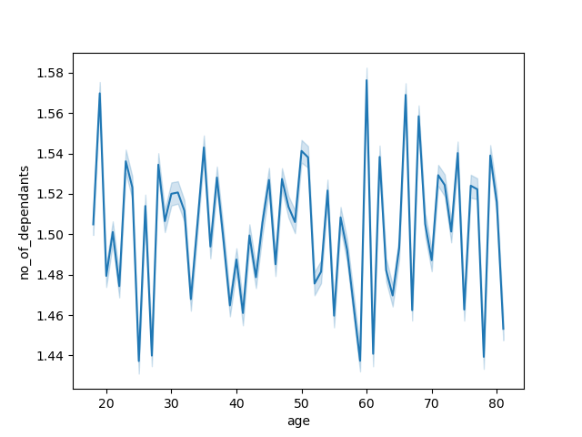
 |  |  | Title Page
Visualizations

1. The sales team needs to know what the busiest days of the week and hours of the day are (i.e., the days and times with the most orders) in order to schedule ads at times when there are fewer orders.

Commentary: Irrespective of the customer profile, most orders are placed on Saturdays and Sundays during the time 9am through 5 pm.

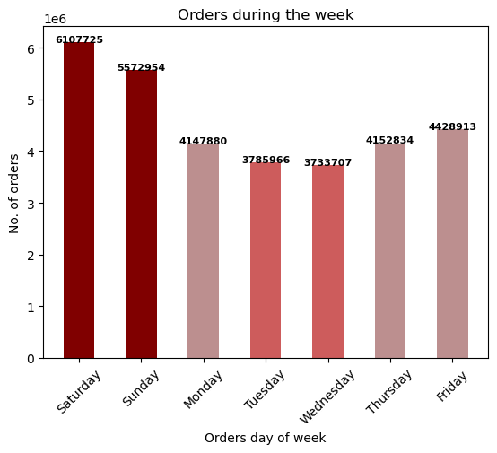
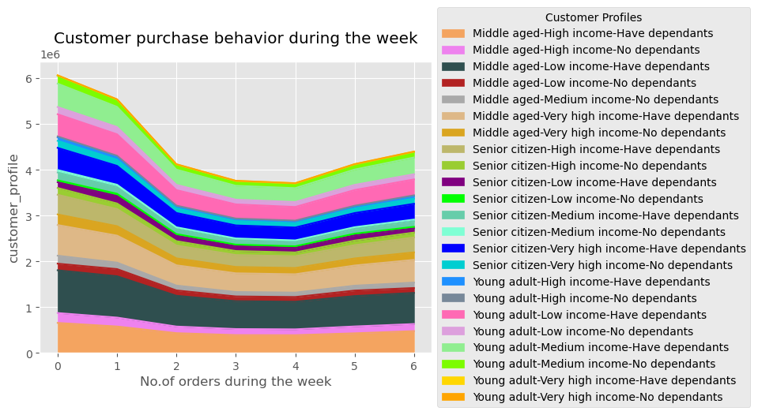

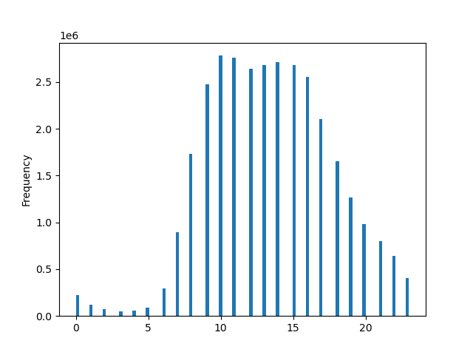
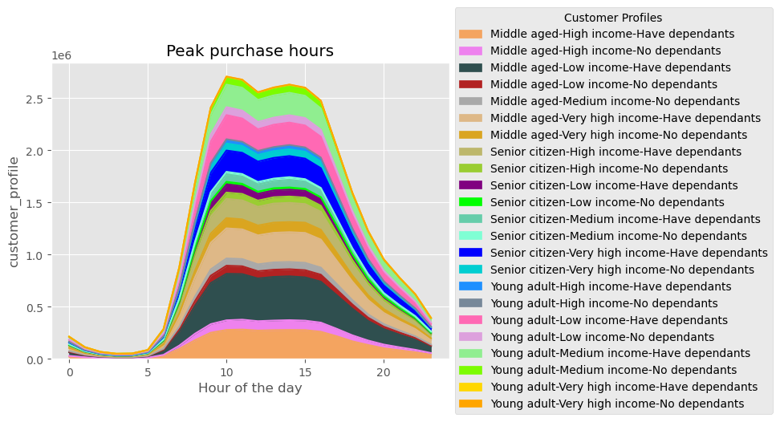

2. They also want to know whether there are particular times of the day when people spend the most money, as this might inform the type of products they advertise at these times.

Commentary: Customers spend most money at around 4 am, 6 am and 5 pm by ordering items such as produce, dairy, snacks, beverages, frozen.

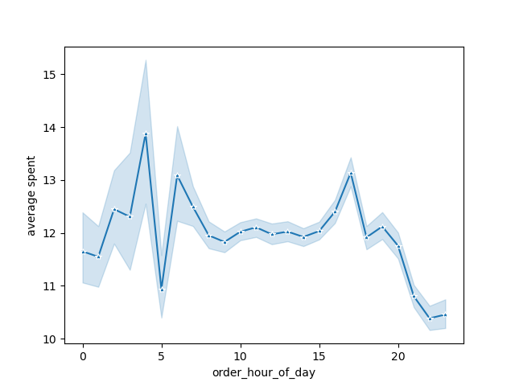

3. Instacart has a lot of products with different price tags. Marketing and sales want to use simpler price range groupings to help direct their efforts.

Commentary: Most of instacart's products selling are less than $15. So products greater than $15 can be considered high priced products and the ones less than $15 can be grouped as mid and low priced.

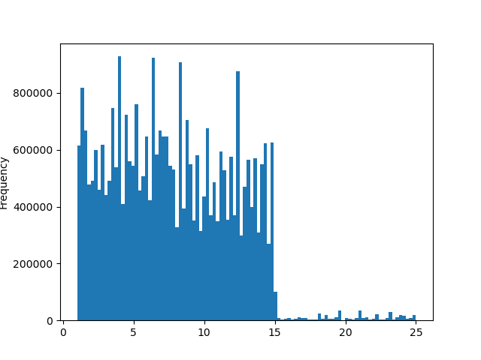

4. Are there certain types of products that are more popular than others? The marketing and sales teams want to know which departments have the highest frequency of product orders.

Commentary: Produce is the highest ordered product, followed by diary eggs, snacks, beverages and frozen.
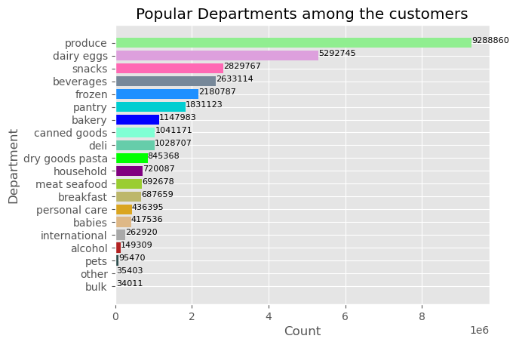

5. The marketing and sales teams are particularly interested in the different types of customers in their system and how their ordering behaviors differ.

5.1. What’s the distribution among users in regards to their brand loyalty (i.e., how often do they return to Instacart)?
Commentary: Senior citizen-Low income-No dependants, Senior citizen-Low income-Have dependants and Middle aged-Low income-No dependants are the top 3 returning customer categories.

Ordering regularity
mean min max
customer_profile
Middle aged-High income-Have dependants 10.146987 0.0 30.0
Middle aged-High income-No dependants 10.112780 0.0 30.0
Middle aged-Low income-Have dependants 10.337590 0.0 30.0
Middle aged-Low income-No dependants 10.441853 0.0 30.0
Middle aged-Medium income-No dependants 10.184730 0.0 30.0
Middle aged-Very high income-Have dependants 10.201830 0.0 30.0
Middle aged-Very high income-No dependants 10.015751 0.0 30.0
Senior citizen-High income-Have dependants 10.206979 0.0 30.0
Senior citizen-High income-No dependants 10.076980 0.0 30.0
Senior citizen-Low income-Have dependants 10.741311 0.0 30.0
Senior citizen-Low income-No dependants 10.945116 0.0 30.0
Senior citizen-Medium income-Have dependants 10.027162 0.0 30.0
Senior citizen-Medium income-No dependants 9.816712 1.0 30.0
Senior citizen-Very high income-Have dependants 10.074664 0.0 30.0
Senior citizen-Very high income-No dependants 10.101762 1.0 30.0
Young adult-High income-Have dependants 10.385018 0.0 30.0
Young adult-High income-No dependants 10.334316 0.0 30.0
Young adult-Low income-Have dependants 10.364910 0.0 30.0
Young adult-Low income-No dependants 10.415047 0.0 30.0
Young adult-Medium income-Have dependants 10.107852 0.0 30.0
Young adult-Medium income-No dependants 10.171034 0.0 30.0
Young adult-Very high income-Have dependants 8.874556 2.0 30.0
Young adult-Very high income-No dependants 9.198426 3.0 30.0

5.2. Are there differences in ordering habits based on a customer’s loyalty status?
Commentary: 50% of Instacart customers are in Regular category who did between 10 and 40 orders, Loyal customers comprise of 33% of total customers and did more than 40 orders and New customers who are 17% did less than 10 orders.

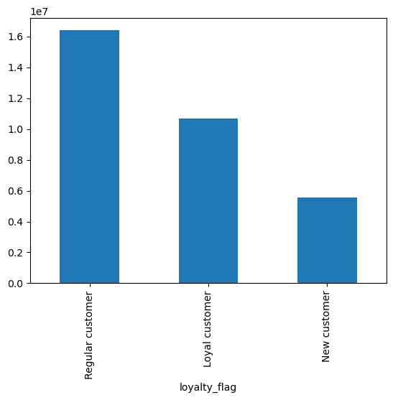
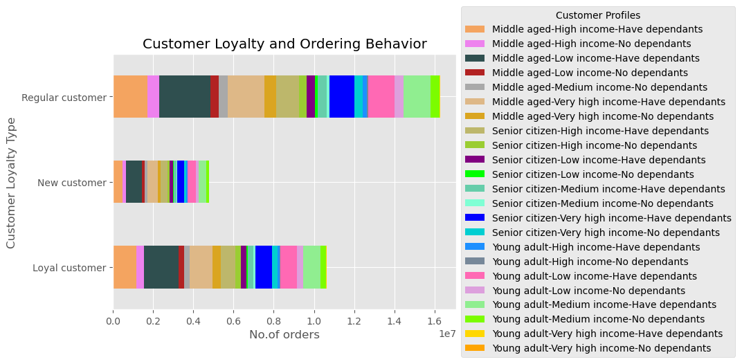

5.3. Are there differences in ordering habits based on a customer’s region?
Commentary: Customers in Southern region spends the most, then the West, Midwest. Northeastern customers spends the least.
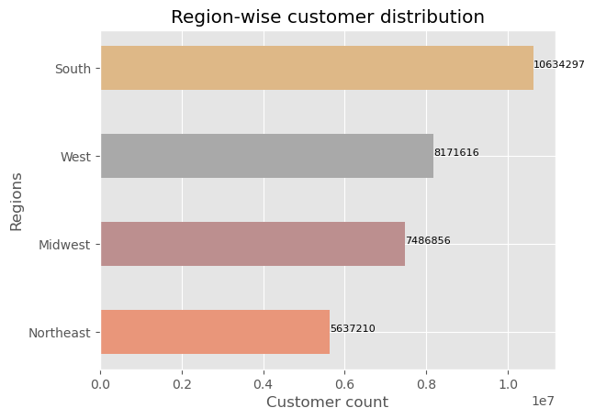
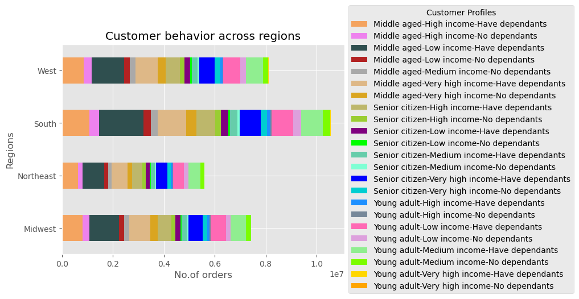

5.4. Is there a connection between age and family status in terms of ordering habits?
Commentary: There is a correlation between age and the spending power. People in 40 years plus age group has higher income when compared to the age group 20-40. Customers ordering habits have no change when it comes to age and family status.

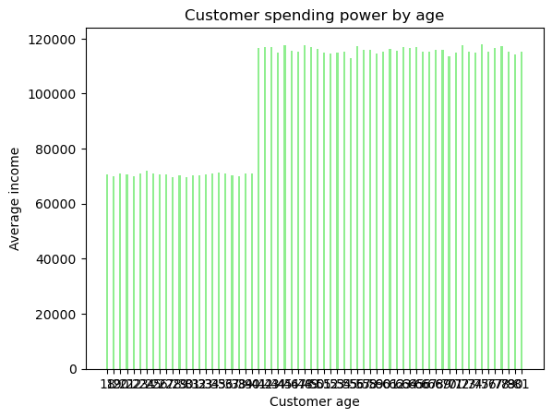
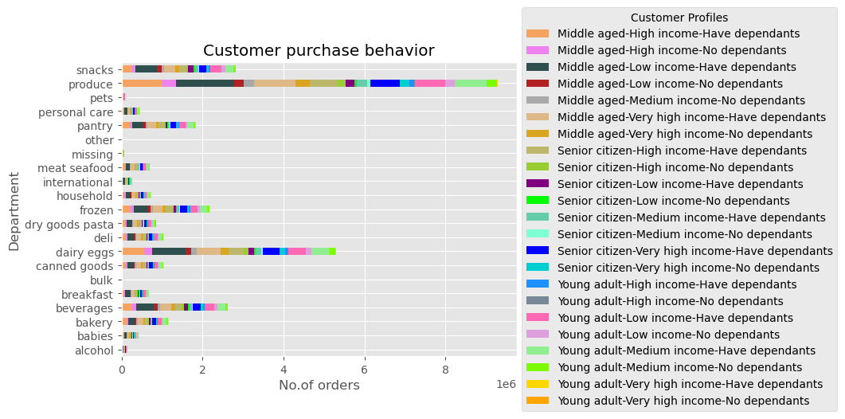

5.5. What different classifications does the demographic information suggest? Age? Income? Certain types of goods? Family status?
Commentary: Based on the Age, customers are distributed as Adult, Young Adult and Senior citizen. Adult population is the highest. Customers are distributed based on their income as Medium income, High income and Very high income. Majority of Instacart customers are Very high and High income category. Based on the Dependants, customers are distributed as Have dependants and No dependants. Major portion of the customer base have dependants.

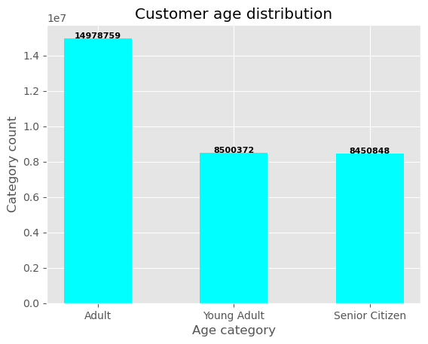
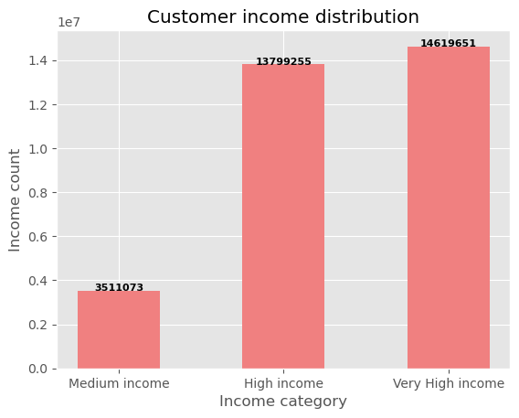
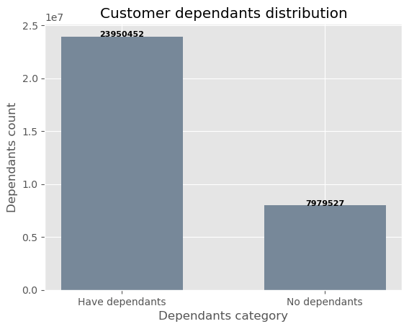

5.6. What differences can you find in ordering habits of different customer profiles? Consider the price of orders, the frequency of orders, the products customers are ordering, and anything else you can think of.
Commentary: 'Young adult-Very high income-Have dependants' and 'Young adult-Very high income-No dependants' spents the highest. Products with Mid-range price are most popular among all the customer profiles. Low-range products are ordered close to 50% of Mid-range products. High-range products are ordered the least by the customers. Middle aged, Low income customers with dependants and Middle aged-Very high income-Have dependants are the most frequent. The customer profiles that spents the most are the least frequent. Ordering pattern among the customer profiles is same across all loyalty class of customers.

 | Average spent
 | mean min | max
 | customer_profile
 | Middle aged-High income-Have dependants 9.049763 7.000000 | 8703.4
 | Middle aged-High income-No dependants 10.443158 7.000000 | 5135.89359
 | Middle aged-Low income-Have dependants 8.018902 1.000000 | 2550.966102
 | Middle aged-Low income-No dependants 7.184871 1.000000 | 20.229362
 | Middle aged-Medium income-No dependants 8.315736 7.001498 | 3453.431034
 | Middle aged-Very high income-Have dependants 20.644509 7.000000 | 11772.1
 | Middle aged-Very high income-No dependants 19.548715 7.000532 | 15006.94
 | Senior citizen-High income-Have dependants 8.818273 7.000000 | 4768.028571
 | Senior citizen-High income-No dependants 8.951183 7.000000 | 2522.939623
 | Senior citizen-Low income-Have dependants 6.695963 1.262500 | 11.304
 | Senior citizen-Low income-No dependants 6.706807 1.308333 | 11.4
 | Senior citizen-Medium income-Have dependants 8.841721 7.000000 | 1415.950704
 | Senior citizen-Medium income-No dependants 8.457843 7.004615 | 419.021399
 | Senior citizen-Very high income-Have dependants 17.149081 7.000000 | 7414.485185
 | Senior citizen-Very high income-No dependants 17.775512 7.000575 | 14042.512281
 | Young adult-High income-Have dependants 20.525272 7.003185 | 12506.925
 | Young adult-High income-No dependants 16.021846 7.001282 | 1717.904274
 | Young adult-Low income-Have dependants 7.606798 1.100000 | 22.256974
 | Young adult-Low income-No dependants 7.592754 1.500000 | 13.878571
 | Young adult-Medium income-Have dependants 8.786431 7.000000 | 3402.921296
 | Young adult-Medium income-No dependants 8.435325 7.000833 | 1825.330909
 | Young adult-Very high income-Have dependants 273.482417 25.512938 | 10721.342857
 | Young adult-Very high income-No dependants 385.097493 26.759379 | 8794.882427

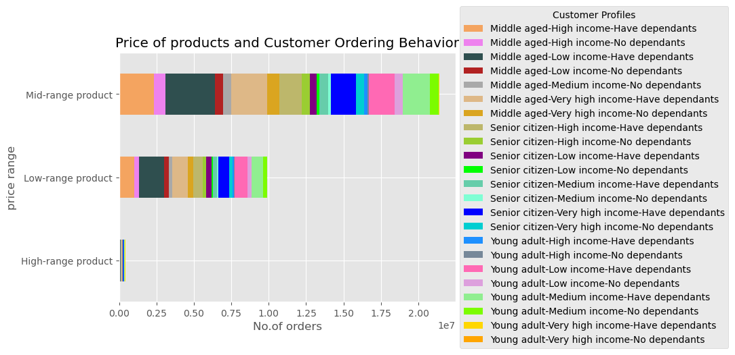

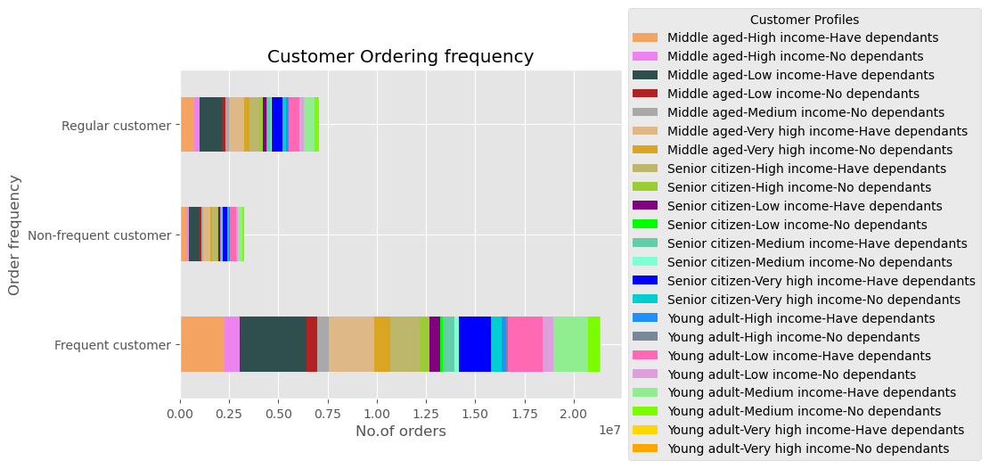

Top 3 valued customer profiles of instacart are :
Middle aged with very high income and have dependants
Young adult with high income and have dependants
Senior citizen with very high income and have dependants
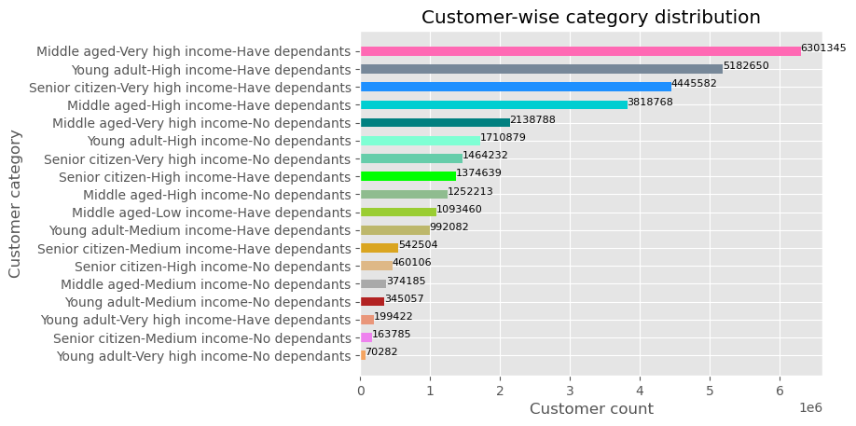

There is high fluctuation in no. of dependants through all the ages.
There is'nt any correlation between these 2 columns.

7. Recommendations
 | Title page
Recommendations

Key Questions
1. The sales team needs to know what the busiest days of the week and hours of the day are (i.e., the days and times with the most orders) in order to schedule ads at times when there are fewer orders.
Answer: Irrespective of the customer profile, most orders are placed on Saturdays and Sundays during the time 9am through 5 pm.

It is recommended to schedule most of the ads on Tuesdays and Wednesdays, which are the least busy days. Ads can be scheduled on Mondays,Thursdays and Fridays as well. The best times for ads would be evening and early morning, between 5 pm and 9 am. | Click for visualization

2. They also want to know whether there are particular times of the day when people spend the most money, as this might inform the type of products they advertise at these times.

Answer: Customers spend most money at around 4 am, 6 am and 5 pm by ordering items such as produce, dairy, snacks, beverages, frozen.

It is recommended to run ads on variety of most purchased items such as produce, dairy, snacks, beverages, frozen during early mornings around 2am-6:30 am.
 | Click for visualization

3. Instacart has a lot of products with different price tags. Marketing and sales want to use simpler price range groupings to help direct their efforts.

Answer: Most of the products instacart sells are less than $15. Products greater than $15 are considered high priced products, $5 to $15 mid range and below $5 are low range.

Recommendation: Young adults with very high income are the main customers for high range price products. They can be targetted by bringing in more products of their interest, in turn encouraging their frequency of orders.
 | Click for visualization

4. Are there certain types of products that are more popular than others? The marketing and sales teams want to know which departments have the highest frequency of product orders.

Answer: Produce is the highest ordered product, followed by diary eggs, snacks, beverages and frozen.

Recommendation: Continue to keep up the competitve prices, quality and quantity of high selling products.
 | Click for visualization

5. The marketing and sales teams are particularly interested in the different types of customers in their system and how their ordering behaviors differ.

5.1. What’s the distribution among users in regards to their brand loyalty (i.e., how often do they return to Instacart)?
Answer: Senior citizen-Low income-No dependants, Senior citizen-Low income-Have dependants and Middle aged-Low income-No dependants are the top 3 returning customer categories.

5.2. Are there differences in ordering habits based on a customer’s loyalty status?
Answer: 50% of Instacart customers are in Regular category who did between 10 and 40 orders, Loyal customers comprise of 33% of total customers and did more than 40 orders and New customers who are 17% did less than 10 orders.

5.3. Are there differences in ordering habits based on a customer’s region?
Answer: Customers in Southern region spends the most, then the West, Midwest. Northeastern customers spends the least.

5.4. Is there a connection between age and family status in terms of ordering habits?
Answer: There is a correlation between age and the spending power. People in 40 years plus age group has higher income when compared to the age group 20-40. Customers ordering habits have no change when it comes to age and family status.

5.5. What different classifications does the demographic information suggest? Age? Income? Certain types of goods? Family status?
Answer: Based on the Age, customers are distributed as Adult, Young Adult and Senior citizen. Adult population is the highest. Customers are distributed based on their income as Medium income, High income and Very high income. Majority of Instacart customers are Very high and High income category. Based on the Dependants, customers are distributed as Have dependants and No dependants. Major portion of the customer base have dependants.

5.6. What differences can you find in ordering habits of different customer profiles? Consider the price of orders, the frequency of orders, the products customers are ordering, and anything else you can think of.
Answer:'Young adult-Very high income-Have dependants' and 'Young adult-Very high income-No dependants' spents the highest. Products with Mid-range price are most popular among all the customer profiles. Low-range products are ordered close to 50% of Mid-range products. High-range products are ordered the least by the customers. Middle aged, Low income customers with dependants and Middle aged-Very high income-Have dependants are the most frequent. The customer profiles that spents the most are the least frequent. Ordering pattern among the customer profiles is same across all loyalty class of customers.

Recommendation: The ordering behavior of customers does not differ with respect to age, income, region or family status. A market study in Mid-west and Northeastern states would help to understand the cutomer preferances in these region better. Top 3 valued customer profiles of instacart are : Middle aged with very high income and have dependants, Young adult with high income and have dependants, Senior citizen with very high income and have dependants. It's important to keep the valued, regular, frequent and high spending customers happy. Providing incentives and conducting special surverys with such category of customers would help in having longer association with them and attract similar customers by referral.
 | Click for visualization

